KPIs
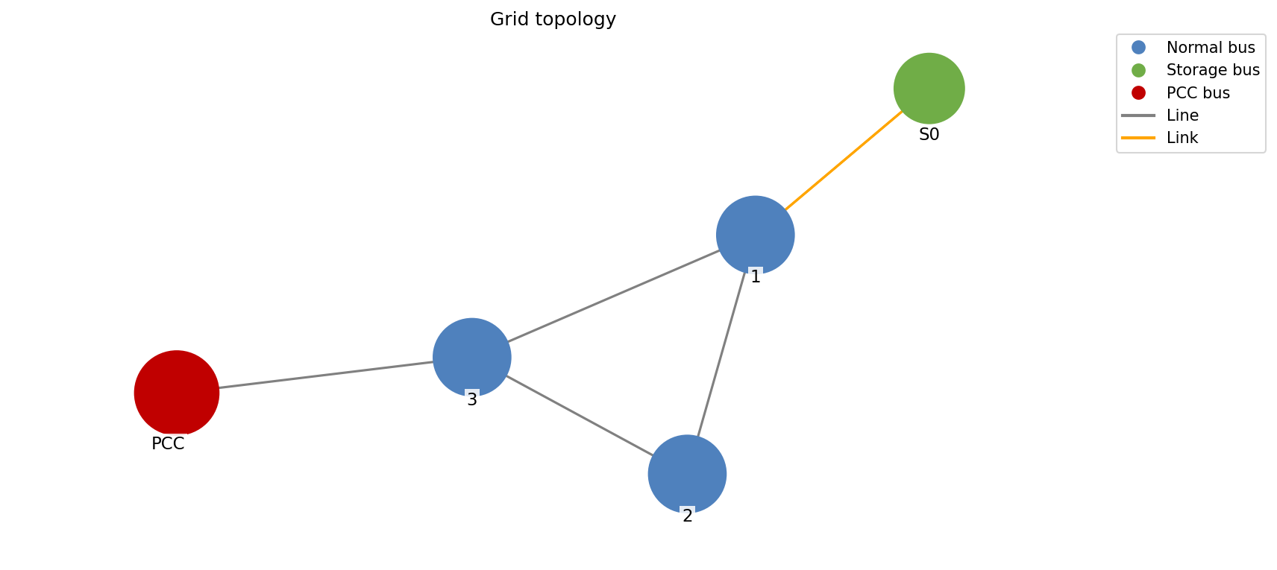
 | Supply side (MW)
PV | 1000
Wind | 400
Dispatch | 0
Grid import | 0
Total supply | 1400

 | Demand side (MW)
Total demand | 1300
Served load | 1300
Unserved load | 0
Grid export | 100
Balance check | 1400

 | Open interactive Sankey

